1. Title Page
[Instacart]

Project Name: Instacart Grocery Basket Analysis
Date: 7 October 2024
Analyst Name: David Griesel

Contents:
Population Flow
Consistency checks
Wrangling steps
Column derivations
Visualizations
Recommendations

“The Instacart Online Grocery Shopping Dataset 2017” , Accessed from https://www.kaggle.com/datasets/psparks/instacart-market-basket-analysis via Kaggle on 7 OCTOBER 2024.
The customer data and 'prices' column in the products data set has been fabricated for the purposes of this course

2. Population Flow
Title page

Population flow

Activity flag
Condition: max_order < 5
Obervations to be removed: 1440295
Final total count of order_products_all: 30964564

Orders_products_combined
Orders_products_merged
Orders_products_all

Total: 32404859, 14
Total: 32434489, 10
Total: 32404859, 33

1.) The grey boxes in the first row of the population flow represent the original data sets as they were when you downloaded them. In the Total fields you need to add the count of the rows when you imported the data set into Jupyter.
2.) The second row of boxes (coloured) represents the data sets after you manipulated them, e.g., removed missing values and duplicates. In the Total fields you need to add the count of the rows after conducting these operations. This offers a visual oveview of how the data flows throughout the data consistency checks.
3.) The third row, where also the arrows are coloured, represents the merges you performed between the datasets. In the Total fields you need to add the count of the rows in the merged datasets, so that you end up with the final dataset (in the red box). Keep in mind the final dataset should be without exclusions (based on the exclusion flag).

3. Consistency checks
 |  |  |  |  | Title page
Consistency checks

Dataset | Missing values | Missing values treatment | Duplicates
products | 16 values in product_name column | Deleted | 5 duplicate records | Updated two extreme outlier prices to reasonable values
orders | 206209 values in days_since_prior_order column | Created a 'first_order' flag column | None
orders_products_prior | n/a | n/a | n/a
customers | n/a | n/a | n/a

4. Wrangling steps
 |  |  |  |  | Title page
Wrangling steps

Dataset | Columns dropped | Columns renamed | Columns' type changed | Comment/Reason
orders | eval_set | n/a | n/a | Redundant information
orders | n/a | order_dow to orders_day_of_week | n/a | Original name unclear
orders | n/a | order_number to user_order_number | n/a | Original name unclear
orders | n/a | n/a | order_id: int64 to object | Exclusion for descriptive statistic purposes only
orders | n/a | n/a | user_id: int64 to object | Exclusion for descriptive statistic purposes only
customers | n/a | 'First Name to first_name | n/a | For consistency and clarity
customers | n/a | Surnam to surname | n/a | For consistency and clarity
customers | n/a | Gender to gender | n/a | For consistency and clarity
customers | n/a | STATE to state | n/a | For consistency and clarity
customers | n/a | Age to age | n/a | For consistency and clarity
customers | n/a | n_dependants to number_of_dependents | n/a | For consistency and clarity
customers | n/a | fam_status to family_status | n/a | For consistency and clarity
merged | first_name | n/a | n/a | Personally identifiable information (PII)
merged | surname | n/a | n/a | z

5. Column derivations
 |  |  |  |  |  |  | Title page
In this tab you should add tables below that the frequences of flags/label variables that you produced after deriving them. NB: don't do this for continuous variables, only for flags.
Column derivations and aggregations

Dataset | New column | Column/s it was derived from | Conditions |  | Orders | Users
orders (ex. 5) | first_order | days_since_prior_order | If days_since_prior_order = null, then True | True | 206209
 |  |  | otherwise, False | False | 3214874

merged (ex. 7) | price_label | prices | If the price is <= to 5, label it as a Low-range product. | Low-range product | 10126321
 |  |  | If the price is > 5 and <= 15, label it as a Mid-range product. | Mid-range product | 21865987
 |  |  | If the price is > 15, label it as a High-range product. | High-range product | 412551

merged (ex. 7) | busiest_day | orders_day_of_week | If the order day = 0, label it as the Busiest day. | Busiest day | 6204182
 |  |  | If the order day = 4, label it as a Least busy day. | Least busy | 3783802
 |  |  | Otherwise, label it as a Regularly busy day. | Regularly busy | 22416875

merged (ex. 7) | busiest_days | orders_day_of_week | If the order day = 0 or 1, label it as the Busiest day. | Busiest day | 11864412
 |  |  | If the order day = 3 or 4, label it as a Least busy day. | Least busy | 7624336
 |  |  | Otherwise, label it as a Regularly busy day. | Regularly busy | 12916111

merged (ex. 7) | busiest_hours | orders_hour_of_day | If the order time is between 0:00 and 6:00, label it as Fewest orders. | Fewest orders | 1289137
 |  |  | If the order time is between 10:00 and 15:00, label it as Most orders. | Most orders | 21118071
 |  |  | Otherwise, label it as Average orders. | Average orders | 9997651

merged (ex. 8) | max_order | user_id & order_number | group by user_id and return the max of user_order_number

merged (ex. 8) | loyalty_flag | max_order | If a customer made <= 10 orders, label it as a New customer. | New customer | 6243990
 |  |  | If a customer made > 10 and <=40 orders, label it as a Regular customer. | Regular customer | 15876776
 |  |  | If a customer made > 40 orders, label it as Loyal customer | Loyal customer | 10284093

merged (ex. 8) | avg_price | user_id & prices | group by user_id and return mean of prices

merged (ex. 8) | spending_flag | avg_price | If a customer’s average spending per order < 10, label it as a Low spender | Low spender | 32284898 | 3395
 |  |  | If a customer’s average spending per order >= 10, label it as a High spender | High spender | 119961 | 202814

merged (ex. 8) | median_days | user_id & days_since_prior_order | group by user_id and return median of days_since_prior_order

merged (ex. 8) | frequency flag | median_days | If the median days <= 10 days or less, label it as a Frequent customer. | Frequent customer | 21559853 | 59993
 |  |  | If the median days > 10 and <= 20 days, label it as a Regular customer. | Regular customer | 7208564 | 59620
 |  |  | If the median days > 20 days, label it as a Non-frequent customer. | Non-frequent customer | 3636442 | 86596

merged (ex. 9) | region | state | If value in ['Maine', 'New Hampshire', 'Vermont', 'Massachusetts', 'Rhode Island', 'Connecticut', 'New York', 'Pennsylvania', 'New Jersey'], label it Northeast | Northeast | 5722736
 |  |  | If value in ['Wisconsin', 'Michigan', 'Illinois', 'Indiana', 'Ohio', 'North Dakota', 'South Dakota', 'Nebraska', 'Kansas', 'Minnesota', 'Iowa', 'Missouri'], label it Midwest | Midwest | 7595325
 |  |  | If value in ['Delaware', 'Maryland', 'District of Columbia', 'Virginia', 'West Virginia', 'North Carolina', 'South Carolina', 'Georgia', 'Florida', 'Kentucky', 'Tennessee', 'Mississippi', 'Alabama', 'Oklahoma', 'Texas', 'Arkansas', 'Louisiana'], label it South | South | 10791885
 |  |  | If value in ['Idaho', 'Montana', 'Wyoming', 'Nevada', 'Utah', 'Colorado', 'Arizona', 'New Mexico', 'Alaska', 'Washington', 'Oregon', 'California', 'Hawaii'], label it West | West | 8292913

merged (ex. 9) | activity_flag | max_order | If max_order < 5, label it inactive | inactive | 1440295 | 43578
 |  |  | If max_order >= 5, label it active | active | 30964564 | 162631

merged (ex. 9) | age_profile | age | If age <=34, label it as Young. | Young | 8627655 | 54840
 |  |  | If age <= 64, label it as Adult. | Adult | 15202120 | 96640
 |  |  | If age <= 81, label it as Senior. | Senior | 8575084 | 54729

merged (ex. 9) | income_profile | income | If income is <= 49999, label it as Low income. | Low income | 4739985 | 42113
 |  |  | If income is <= 149999, label it as Middle income. | Middle income | 23613293 | 140842
 |  |  | Otherwise, label it as High income. | High income | 4051581 | 23254

merged (ex. 9) | parental_status | number_of_dependents | If number_of_dependets = 0, label it as Non parent | Non parent | 8097503
 |  |  | Otherwise, label it as Parent. | Parent | 24307356

merged (ex. 9) | family_status | parental_status | If parental status = divorced/widowed, label it as Single adult. | Single adult | 8097503 | 51602
 |  |  | If parental status = living with parents and siblings, label it as Young parent. | Young parent | 1550603 | 9701
 |  |  | If parental status = married, label it as Family | Family | 22756753 | 144906

merged (ex. 9) | product_cagegory | department_id | If department_id in [5,7], label it as Beverages | Beverages | 2841819
 |  |  | If department_id in [16,20,12,4,1], label it as Perishables | Perishables | 18872957
 |  |  | If department_id in [3,10,15,9,13,19,14], label it as Non-perishables | Non-perishables | 8607638
 |  |  | If department_id in [17,11,8,6,18,21,2], label it as Miscellaneous | Miscellaneous | 2082445

6. Visualizations
 |  | Title page

Visualisations

In this tab you should include all the visualtions from Exercises 4.9 and 4.10, alongside the questions from the project brief that they answer. Include any commentary on the relationship between different variables.

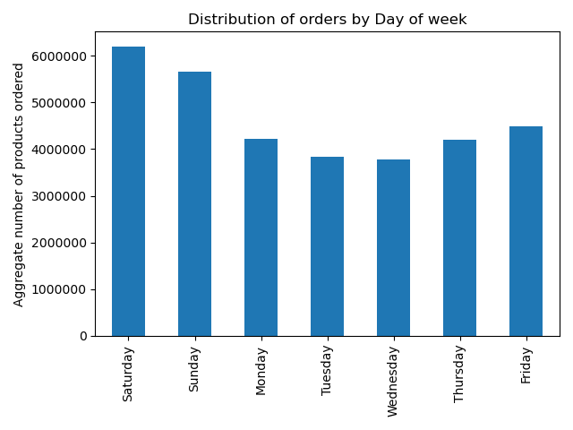
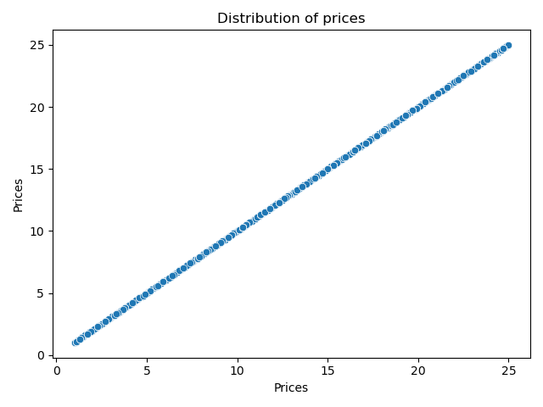
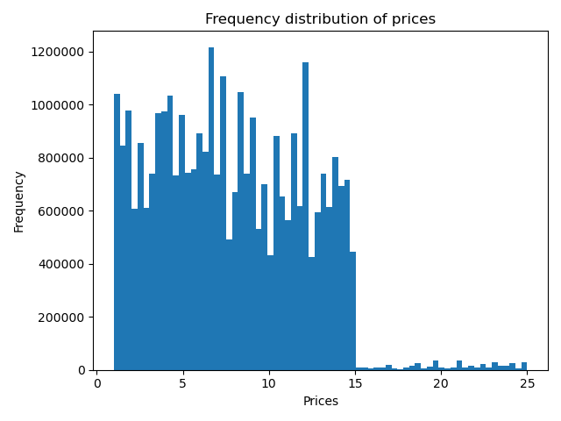

Question 1: Day of the week with most orders |  |  | Question3: Price range for groupings

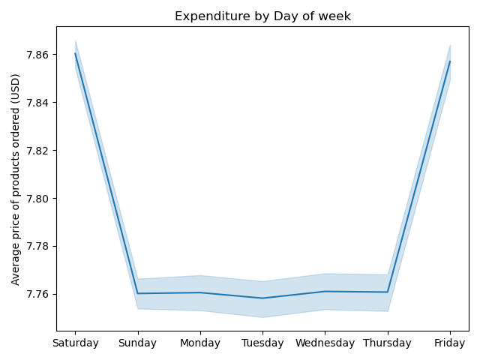
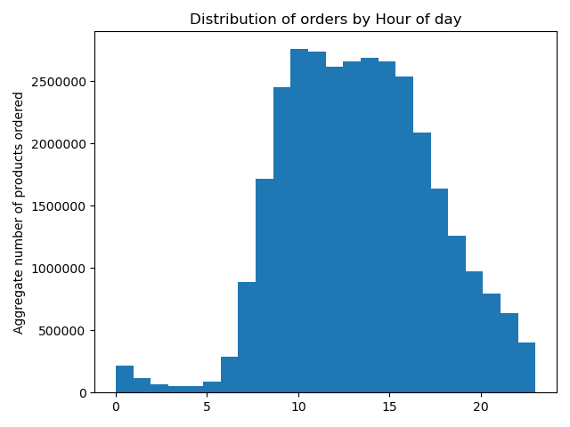
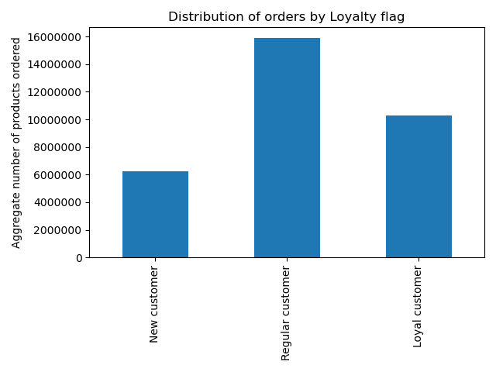

Question 2: Day of week when users spend the most | Question 1: Hour of the day with the most orders |  | Question 5.2: Difference in ordering habits based on customer loyalty

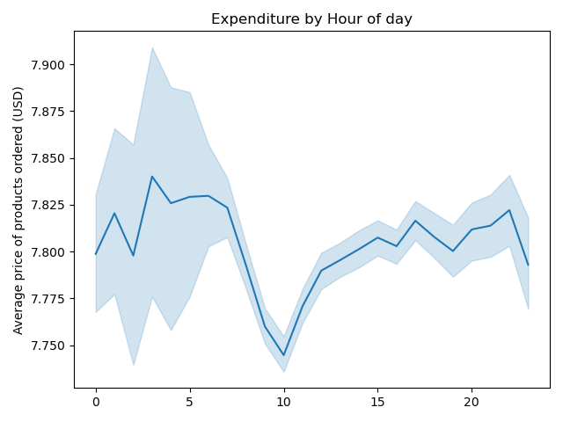
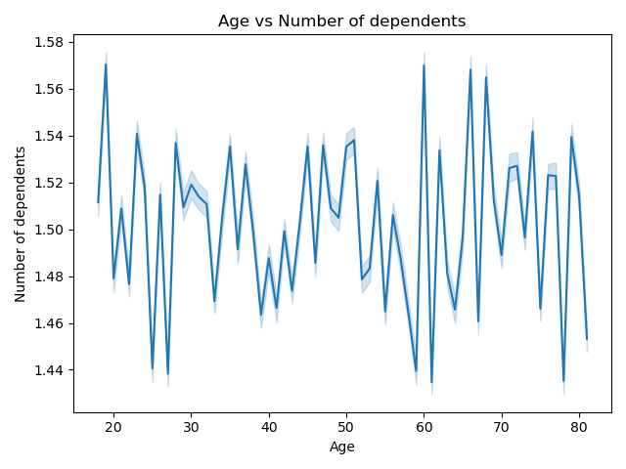
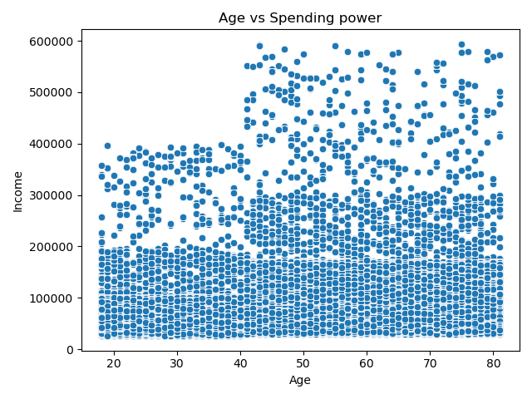

Question 2: Hour of day when users spend the most | Question 5.4: Connection between age and family status |  | * Spending power by age

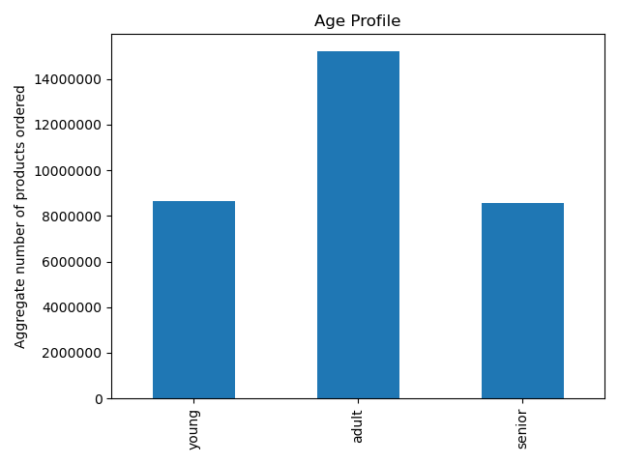
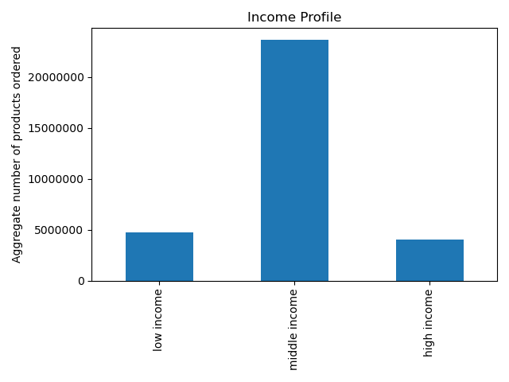
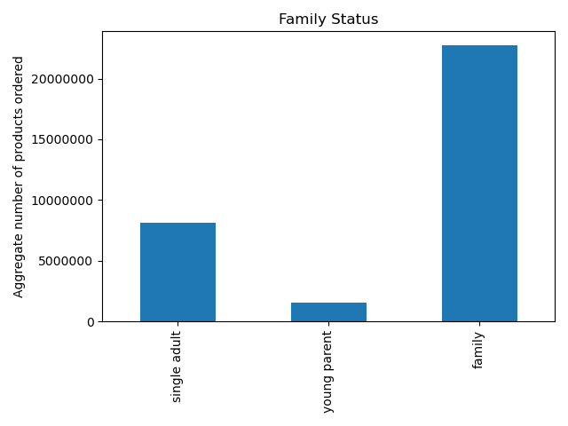

Question 5.5: Classifications ito demographic information | Question 5.5: Classifications ito demographic information |  | Question 5.5: Classifications ito demographic information

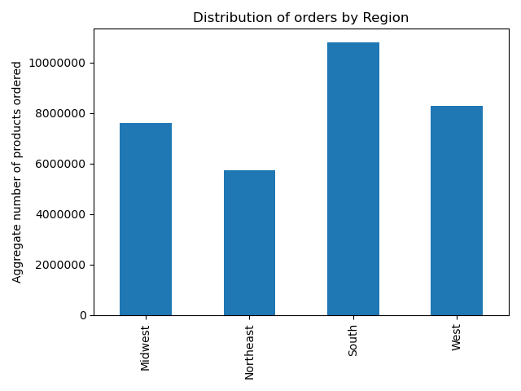
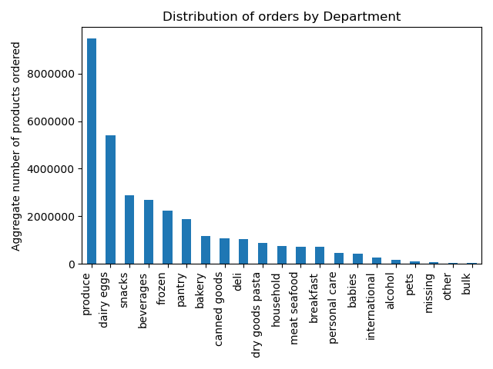
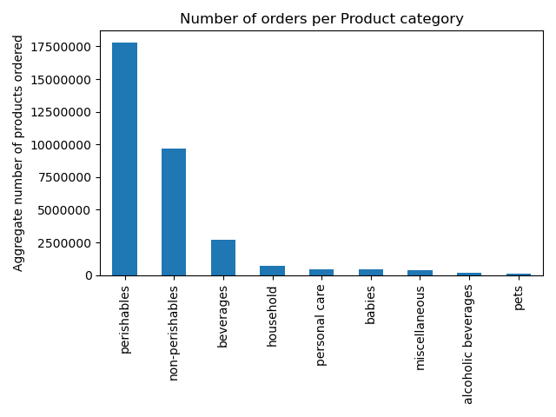

Question 5.3: Ordering habits by region | Question 4: Department with highest frequency of orders |  | Question 4: Department with highest frequency of orders

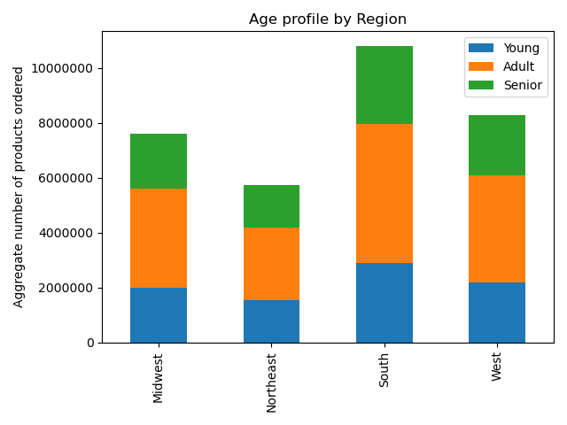
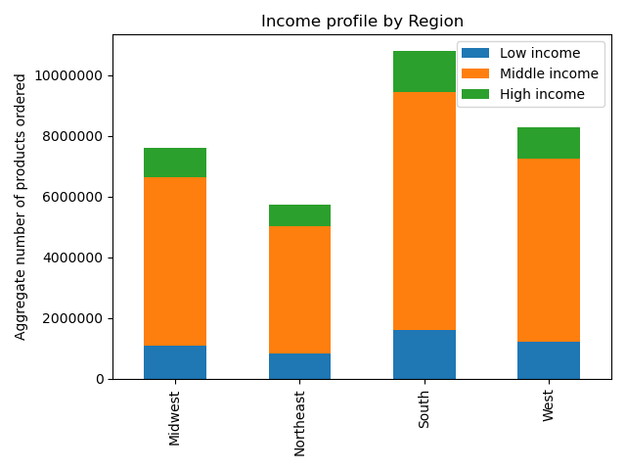
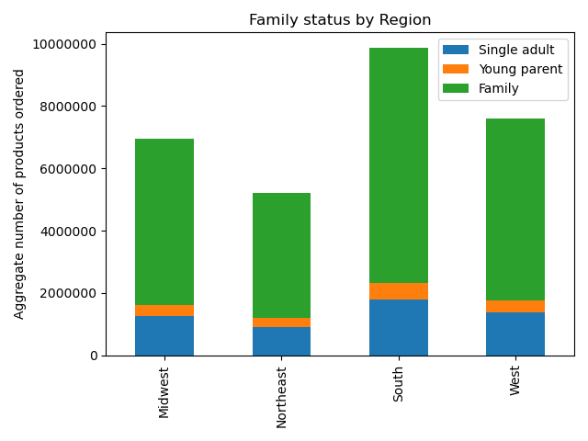

Question 5.6: Ordering habits per profile | Question 5.6: Ordering habits per profile |  | Question 5.6: Ordering habits per profile

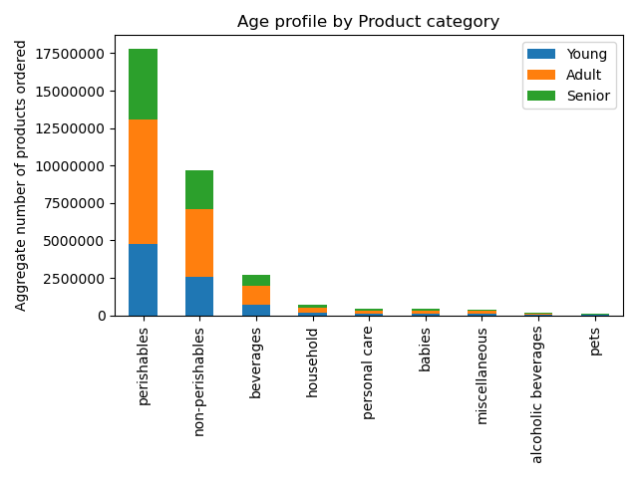
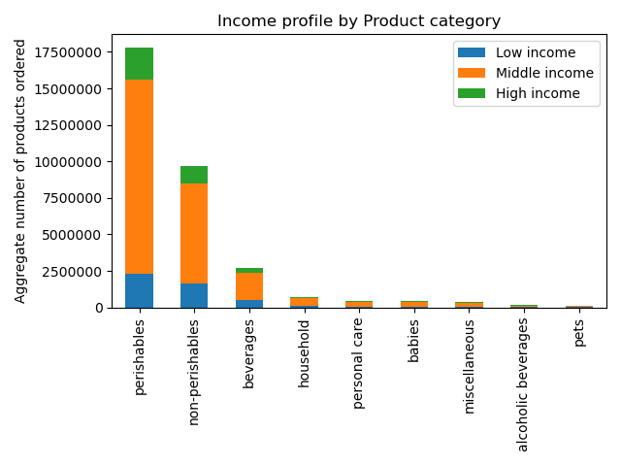
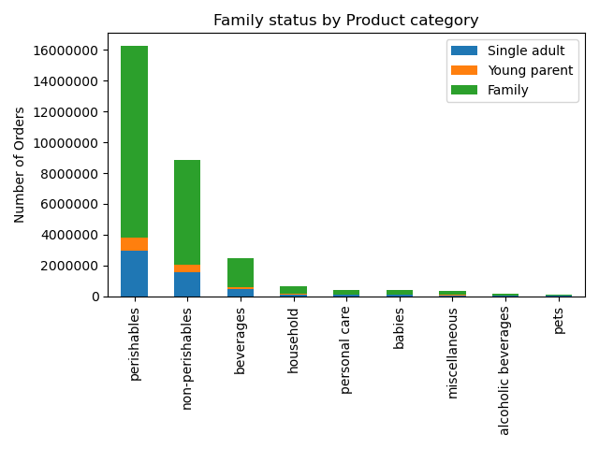

Question 5.6: Ordering habits per profile | Question 5.6: Ordering habits per profile |  | Question 5.6: Ordering habits per profile

7. Tables
Tables

Ex. 8 | department_id | mean user_order_number | Ex. 8 | Basic price stats | prices |  |  | Ex. 8 | Crosstab - Spending habits / Region |  | High spender | Low spender
 | 1 | 15.457837881 |  | loyalty_flag | min | max | mean |  | Midwest |  | 29294 | 7568031
 | 2 | 17.277920145 |  | Loyal customer | 1 | 25 | 7.8 |  | Northeast |  | 18642 | 5704094
 | 3 | 17.170395112 |  | New customer | 1 | 25 | 7.8 |  | South |  | 40739 | 10751146
 | 4 | 17.811402562 |  | Regular customer | 1 | 25 | 7.8 |  | West |  | 31286 | 8261627
 | 5 | 15.215750573
 | 6 | 16.439805685 |  | Question 5.2: Difference in ordering habits based on customer loyalty
 | 7 | 17.225802168
 | 8 | 15.340650456 |  |  |  |  |  | Ex. 9 | Crosstab - Marital status / parental status |  | Non-parent | Parent
 | 9 | 15.895474062 |  |  |  |  |  |  | divored/widowed |  | 2771812 | 0
 | 10 | 20.197148064 |  |  |  |  |  |  | living with parents and siblings |  | 0 | 1550603
 | 11 | 16.170638467 |  |  |  |  |  |  | married |  | 0 | 22756753
 | 12 | 15.887671086 |  |  |  |  |  |  | single |  | 5325691 | 0
 | 13 | 16.58353636
 | 14 | 16.77366923 |  |  |  |  |  |  | Question 5.4: Connection between age and family status
 | 15 | 16.165036917
 | 16 | 17.665605927
 | 17 | 15.69446949
 | 18 | 19.310397308 | Ex. 9 | Basic days_since_prior_order stats | days_since_prior_order |  |  | Ex. 9 | Age profile by Region | young | adult | senior
 | 19 | 17.177343423 |  | age_profile | min | max | mean |  | Midwest | 2002572 | 3603909 | 1990844
 | 20 | 16.47344730 |  | young | 0 | 30 | 11 |  | Northeast | 1535542 | 2633291 | 1553903
 | 21 | 22.902379059 |  | adult | 0 | 30 | 11 |  | South | 2898325 | 5057303 | 2836257
 |  |  |  | senior | 0 | 30 | 11 |  | West | 2191216 | 3907617 | 2194080

Ex. 8/10 | department_id | Frequency | Ex. 9 | Basic price stats | prices |  |  | Ex. 9 | Age profile by Product category | young | adult | senior
 | 1 | 2234743 |  | age_profile | min | max | mean |  | alcoholic beverages | 42621 | 72039 | 39036
 | 2 | 36291 |  | young | 1 | 25 | 7.8 |  | babies | 111092 | 203265 | 109445
 | 3 | 1172428 |  | adult | 1 | 25 | 7.8 |  | beverages | 708101 | 1265190 | 714832
 | 4 | 9479291 |  | senior | 1 | 25 | 7.8 |  | household | 194619 | 347112 | 196935
 | 5 | 153696 |  |  |  |  |  |  | miscellaneous | 101486 | 174910 | 98293
 | 6 | 269253 |  | Question 5.6: Ordering habits per profile |  |  |  |  | non-persihables | 2579642 | 4534689 | 2555622
 | 7 | 2688123 |  |  |  |  |  |  | persihables | 4745471 | 8347941 | 4717230
 | 8 | 97716 |  |  |  |  |  |  | personal care | 118245 | 211922 | 117405
 | 9 | 866627 |  |  |  |  |  |  | pets | 26378 | 45052 | 26286
 | 10 | 34573
 | 11 | 447572 |  |  |  |  |  |  | Question 5.6: Ordering habits per profile
 | 12 | 708927
 | 13 | 1875369
 | 14 | 703033
 | 15 | 1068058 | Ex. 9 | Basic days_since_prior_order stats | days_since_prior_order |  |  | Ex. 9 | Income profile by Region | low income | middle income | high income
 | 16 | 5398747 |  | income_profile | min | max | mean |  | Midwest | 1093626 | 5547751 | 955948
 | 17 | 738666 |  | low_income | 0 | 30 | 12 |  | Northeast | 839691 | 4176257 | 706788
 | 18 | 423802 |  | middle_income | 0 | 30 | 11 |  | South | 1605216 | 7844457 | 1342212
 | 19 | 2887550 |  | high_income | 0 | 30 | 11 |  | West | 1201452 | 6044828 | 1046633
 | 20 | 1051249
 | 21 | 69145

Question 4: Department with highest frequency of orders |  |  | Ex. 9 | Basic price stats | prices |  |  | Ex. 9 | Income profile by Product category | low income | middle income | high income
 |  |  |  | income_profile | min | max | mean |  | alcoholic beverages | 24324 | 104419 | 24953
 |  |  |  | low_income | 1 | 25 | 6.9 |  | babies | 45598 | 323771 | 54433
 |  |  |  | middle_income | 1 | 25 | 7.9 |  | beverages | 506792 | 1856184 | 325147
 |  |  |  | high_income | 1 | 25 | 8.0 |  | household | 120045 | 521839 | 96782
 |  |  |  |  |  |  |  |  | miscellaneous | 47661 | 279254 | 47774
 |  |  |  | Question 5.6: Ordering habits per profile |  |  |  |  | non-persihables | 1618797 | 6862836 | 1188320
 |  |  |  |  |  |  |  |  | persihables | 2296311 | 13269727 | 2244604
 |  |  |  |  |  |  |  |  | personal care | 67793 | 323725 | 56054
 |  |  |  |  |  |  |  |  | pets | 12664 | 71538 | 13514

 |  |  |  |  |  |  |  |  | Question 5.6: Ordering habits per profile

 |  |  | Ex. 9 | Basic days_since_prior_order stats | days_since_prior_order |  |  | Ex. 9 | Family status by Region | single adult | young parent | family
 |  |  |  | family status | min | max | mean |  | Midwest | 1905200 | 366517 | 5325608
 |  |  |  | family | 0 | 30 | 11 |  | Northeast | 1418301 | 268114 | 4036321
 |  |  |  | single adult | 0 | 30 | 11 |  | South | 2701659 | 529584 | 7560642
 |  |  |  | young parent | 0 | 30 | 11 |  | West | 2072343 | 386388 | 5834182

 |  |  | Ex. 9 | Basic price stats | prices |  |  | Ex. 9 | Family status by Product category | single adult | young parent | family
 |  |  |  | family status | min | max | mean |  | alcoholic beverages | 39118 | 8896 | 105682
 |  |  |  | family | 1 | 25 | 7.8 |  | babies | 106494 | 20146 | 297162
 |  |  |  | single adult | 1 | 25 | 7.8 |  | beverages | 674442 | 124629 | 1889052
 |  |  |  | young parent | 1 | 25 | 7.8 |  | household | 180773 | 35226 | 522667
 |  |  |  |  |  |  |  |  | miscellaneous | 93976 | 18556 | 262157
 |  |  |  | Question 5.6: Ordering habits per profile |  |  |  |  | non-persihables | 2407670 | 465265 | 6797018
 |  |  |  |  |  |  |  |  | persihables | 4458441 | 850953 | 12501248
 |  |  |  |  |  |  |  |  | personal care | 112006 | 21312 | 314254
 |  |  |  |  |  |  |  |  | pets | 24583 | 5620 | 67513

 |  |  |  |  |  |  |  |  | Question 5.6: Ordering habits per profile

8. Recommendations
 |  |  |  |  |  |  |  | Title page

Recommendations

In this tab you should include any recommendations you would made to Instcart in terms of their marketing strategy based on the questions posed in the brief. Every key question has been covered in the Tasks of the Exercises - here you need to add an item - a visualisation or table/crosstable that is showing the answer in the data, acompanied by a comment from you. Please, list the questions below and add the answer underneath.

 | Key Questions
* | 1. The sales team needs to know what the busiest days of the week and hours of the day are (i.e., the days and times with the most orders) in order to schedule ads at times when there are fewer orders.

 | Highest activity on Saturday and Sunday |  |  |  |  |  | Peak ordering times are between 10:00 and 15:00
 | The number of products ordered is significantly higher on weekends (Saturday and Sunday). |  |  |  |  |  | The second chart shows a significant concentration of orders from mid-morning (around 10:00) to early afternoon (around 15:00).
 | This could indicate that customers are more likely to shop during their time off from work, suggesting a strong weekend shopping trend. |  |  |  |  |  | This might suggest that customers prefer to shop during breaks or during less busy hours of the day.

 | Lowest activity on Tuesday and Wednesday |  |  |  |  |  | Lowest activity between midnight and 6:00
 | The number of orders placed from Monday to Friday is lower and more consistent compared to weekends. |  |  |  |  |  | As expected, the number of orders is very low in the early hours (before 6:00) and starts to pick up gradually after that.
 | Tuesdays and Wednesdays show the least number of orders coming in. |  |  |  |  |  | It also declines after 17:00, indicating less activity in the evening hours.

* | 2. They also want to know whether there are particular times of the day when people spend the most money, as this might inform the type of products they advertise at these times.

 | Highest Average Price on Saturday and Friday |  |  |  |  |  | Higher Expenditure in Early Morning and Late Evening
 | The graph shows that the average price of products ordered peaks on Friday and Saturday, slightly above $7.85 USD. |  |  |  |  |  | The chart shows higher average spending in the early hours (midnight to around 7:00) and evening (17:00 to 23:00), with expenditure reaching up to $7.90 USD in the early morning.
 | This suggests that consumers are spending more on higher-priced items on these days, perhaps because they are preparing for the weekend. |  |  |  |  |  | These times may reflect possible larger purchases made at the beginning or end of the day.

 | Consistent and Lower Prices During Weekdays |  |  |  |  |  | Dip in Spending Midday
 | From Sunday to Thursday, the average price is relatively stable, hovering around $7.76 to $7.78 USD. |  |  |  |  |  | The lowest average prices are seen between 10:00 and 15:00, indicating that during these hours, customers may be purchasing lower-priced or more everyday items.
 | This may indicate that customers are purchasing lower-priced items during the workweek, potentially focusing on essentials or routine items.

* | 3. Instacart has a lot of products with different price tags. Marketing and sales want to use simpler price range groupings to help direct their efforts.

 | Most Purchases are Below $10
 | A significant portion of transactions occur for products priced below $10, as indicated by the high frequency bars. This suggests that the majority of items are lower-cost, everyday products.
 | There is a notable concentration of products priced between $3 and $7, where the frequency reaches its peak.

 | A Drop in Frequency After $10
 | A clear drop in the number of purchases is visible as prices go beyond $10.
 | This could suggest that the average customer is more price-sensitive, favoring lower-priced items, or that premium products are less commonly purchased.

 | Few High-Priced Items
 | After $15, there is a sharp decline in the number of purchases, with very few items priced between $15 and $25. This indicates that high-priced items are rare or infrequently purchased.

* | 4. Are there certain types of products that are more popular than others? The marketing and sales teams want to know which departments have the highest frequency of product orders.

 | Produce is the Most Popular Department |  |  |  |  |  | Perishables Dominate Sales
 | Orders for produce far outstrip other departments, with over 9 million products ordered. |  |  |  |  |  | The perishables category, which likely includes items like produce, dairy, eggs, and other fresh items, has the highest number of products ordered, far surpassing other categories with over 17.5 million products ordered.
 | This highlights that fresh fruits, vegetables, and related items are a key driver of sales, indicating customer preferences for fresh, healthy options. |  |  |  |  |  | This aligns with the earlier insight that fresh products are a significant driver of customer demand.

 | Dairy & Eggs, Snacks, and Beverages are Also Popular |  |  |  |  |  | Non-Perishables are the Next Most Popular
 | The next most popular departments are dairy & eggs, snacks, and beverages, each contributing a significant volume of orders. |  |  |  |  |  | The non-perishables category, which likely includes pantry staples, canned goods, and other long-lasting items, has the second-highest number of orders, but it is significantly lower than perishables.
 | This suggests a strong demand for essential food items and convenience products, such as snacks and drinks. |  |  |  |  |  | Customers seem to be purchasing these essential items regularly but less frequently compared to perishables.

 | Frozen Foods and Pantry Staples Follow |  |  |  |  |  | Beverages Hold Strong Demand
 | Frozen foods and pantry items are also ordered frequently, indicating that consumers value long-lasting or easily stored products. |  |  |  |  |  | The beverages category also has a notable number of orders, indicating strong demand for drinks, which could range from water and soft drinks to coffee and tea.
 | These categories likely include frozen meals, vegetables, or pantry essentials like grains, canned foods, and sauces. |  |  |  |  |  | This suggests a continued reliance on beverages as a popular purchase, but they are clearly behind perishables and non-perishables.

 | Lower Demand for Specialized Products |  |  |  |  |  | Lower Demand for Other Categories
 | Departments such as canned goods, deli, dry goods, pasta, household, and meat/seafood have relatively fewer orders. |  |  |  |  |  | Categories such as household items, personal care, babies, and miscellaneous products see much lower volumes. While these products may be essential, they are either purchased less frequently or represent a smaller portion of customers’ overall purchase.
 | These may represent more specialized or less frequently needed products. |  |  |  |  |  | Alcoholic beverages and pet-related products are at the very bottom, indicating niche or less frequent purchases in these categories.
 | Breakfast items, personal care, babies, alcohol, and international departments have even lower order volumes.
 | This suggests they are more niche categories or are not as frequently purchased in comparison to the more popular departments.

* | 5. The marketing and sales teams are particularly interested in the different types of customers in their system and how their ordering behaviors differ. For example:
* | 5.1 What’s the distribution among users in regards to their brand loyalty (i.e., how often do they return to Instacart)?

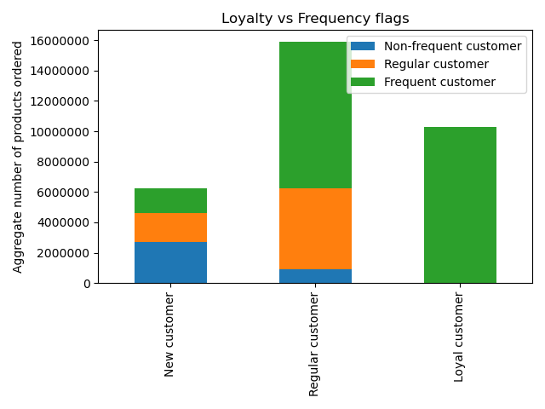

 | Regular Customers Make Up the Largest Group
 | The bulk of orders come from regular customers, accounting for the highest aggregate number of products ordered.
 | The breakdown shows that this group contains a substantial portion of frequent customers (in green), followed by a significant share of regular customers (in orange), and a small portion of non-frequent customers (in blue).
 | This suggests that many regular customers are highly engaged and place frequent orders, making them a crucial group for retention strategies and loyalty programs.

 | Loyal Customers Are Primarily Frequent Customers
 | All loyal customers are frequent customers. This indicates that once customers reach loyal status, they tend to order frequently and consistently.
 | Loyal customers, though fewer in number compared to regular customers, still represent a significant portion of total orders.
 | They likely contribute high value due to their consistent purchasing habits.

 | New Customers Have a More Even Split
 | For new customers, there is a more even distribution between non-frequent, regular, and frequent customers.
 | The presence of frequent customers even among new customers implies that some buyers quickly integrate into regular purchasing behavior, representing an opportunity to convert them into loyal customers with the right incentives.

* | 5.2 Are there differences in ordering habits based on a customer’s loyalty status?

 | Basic price stats |  | prices
 | loyalty_flag |  | min | max | mean
 | Loyal customer |  | 1 | 25 | 7.8
 | New customer |  | 1 | 25 | 7.8
 | Regular customer |  | 1 | 25 | 7.8

 | Price Behavior Across Customer Segments
 | The mean price per product for all three customer segments is very similar, at $7.8 USD.
 | This indicates that regardless of their loyalty status, customers tend to purchase products in a similar price range
 | The minimum and maximum prices are also the same across all customer groups, ranging from $1 to $25 USD.
 | This suggests that no particular group has a clear tendency to spend more or less on a per-product basis.
 | However, the number of products they purchase varies widely, especially for regular and loyal customers.

* | 5.3 Are there differences in ordering habits based on a customer’s region?

 | The South is the Most Active Region
 | The South has the highest aggregate number of products ordered, significantly surpassing other regions.
 | This suggests that customers in the South are more active in making purchases, making it a key market for businesses to focus their marketing and operational resources on.

 | Midwest and West are Similar
 | The Midwest and West show similar levels of ordering activity, although both trail behind the South.
 | These regions are still significant in terms of order volume, and businesses should continue to cater to these areas, but perhaps with regional strategies that align with their unique characteristics.

 | Northeast Orders the Least
 | The Northeast has the lowest number of products ordered compared to the other regions.
 | This could indicate different shopping behaviors, market saturation, or fewer overall customers in this region

* | 5.4 Is there a connection between age and family status in terms of ordering habits?

 | Crosstab - Marital status / parental status |  |  | Non-parent | Parent | Suggested family status
 | divorced/widowed |  |  | 2771812 | 0 | Single adult
 | living with parents and siblings |  |  | 0 | 1550603 | Young parent
 | married |  |  | 0 | 22756753 | Family
 | single |  |  | 5325691 | 0 | Single adult

 | Fluctuating Number of Dependents Across Age Groups
 | The chart shows that the average number of dependents fluctuates slightly across different age groups, remaining between 1.44 and 1.58 dependents.
 | However, there doesn’t appear to be a strong or consistent correlation between age and the number of dependents.
 | This indicates that across most age ranges, the number of dependents does not dramatically increase or decrease, suggesting that the age group itself is not necessarily a key indicator of how many dependents someone has.

 | Significant Number of Single Non-Parents
 | The table indicates that single individuals are classified as non-parents, which may suggest that a significant portion of the customer base is younger or without dependents, reflecting different purchasing patterns or preferences compared to parents.

 | Married Customers Tend to Be Parents
 | The vast majority of married customers are also parents.
 | This shows that marital status is highly correlated with having dependents, and this group likely has purchasing behaviors that reflect family needs.

 | Divorced/Widowed Non-Parents
 | Interestingly, all of the divorced or widowed customers are also classified as non-parents, which suggests that these individuals may have adult children or no dependents, resulting in different ordering habits focused on individual needs.

 | Living with Parents and Siblings Group
 | The living with parents and siblings group, which represents parents with 1,506,003 dependents, highlights a particular family dynamic where multi-generational households might influence ordering behavior.
 | This group could be driven by both adult household needs and dependent-related purchases.

* | 5.5 What different classifications does the demographic information suggest? Age? Income? Certain types of goods? Family status?

 | The demographic information suggests classifications based on age, income and family status.

 | Age Classification |  |  |  |  |  | Income Classification |  |  |  | Family Status Classification
 | Young: This group orders fewer products compared to the adult group but still represents a significant portion of the customer base. |  |  |  |  |  | Low Income: This group orders fewer products. |  |  |  | Single Adult: This segment is smaller than families but still important.
 | Adults: The largest group by a wide margin, this segment likely includes working professionals and parents. |  |  |  |  |  | Middle Income: The largest segment in terms of aggregate products ordered. |  |  |  | Young Parents: This group orders the fewest products.
 | Seniors: While smaller in volume compared to adults, seniors still represent a significant market. |  |  |  |  |  | High Income: Though this group orders fewer products. |  |  |  | Family: The largest group by far, suggesting families make up a major portion of the customer base.

* | 5.6 What differences can you find in ordering habits of different customer profiles? Consider the price of orders, the frequency of orders, the products customers are ordering, and anything else you can think of.

 | No significant difference - Consistent behaviour with overall age profile |  |  |  |  |  | No significant difference - Consistent behaviour with overall income profile |  |  |  | No significant difference - Consistent behaviour with overall family status profile
 | There does not appear to be a significant difference in ordering habits per age group across regions. |  |  |  |  |  | There does not appear to be a significant different in ordering habits per income group across regions. |  |  |  | There does not appear to be a significant different in ordering habits based on family status across regions.
 | Adults make the largest number of orders, with seniors and young adults placing fewer, but relatively similar number of orders across all regions. |  |  |  |  |  | Middle income users place the majority of orders, with low and high income users placing significantly fewer but equal number of orders. |  |  |  | Families place the vast majority of orders. Single adults place fewer but still significant number of orders.
 |  |  |  |  |  |  |  |  |  |  | Very few orders from young parents across all regions.

 | Basic stats - Price of goods ordered | min | max | mean |  |  | Basic stats - Price of goods ordered by income profile | min | max | mean | Basic stats - Price of goods ordered | min | max | mean
 | Young | 1 | 25 | 7.8 |  |  | Low income | 1 | 25 | 6.9 | Family | 1 | 25 | 7.8
 | Adult | 1 | 25 | 7.8 |  |  | Middle income | 1 | 25 | 7.9 | Single adult | 1 | 25 | 7.8
 | Senior | 1 | 25 | 7.8 |  |  | High income | 1 | 25 | 8.0 | Young parent | 1 | 25 | 7.8

 | Uniform pricing |  |  |  |  |  | Higher spend with higher income |  |  |  | Uniform pricing
 | The mean price per product is the same for all age groups at $7.8 which indicate that all age groups purchase products wihtin a similar price range. |  |  |  |  |  | The mean price sept range from $6,9 for low income, to $8,0 for high income users. |  |  |  | The mean price per product is the same for all family groups at $7.8 meaning they all purchase products wihtin a similar price range.
 |  |  |  |  |  |  | There is not much of a difference between middle and high income customers with middle income spending on average only 10 cents less at $7,9.

 | Basic stats - Order frequency | min | max | mean |  |  | Basic stats - Order frequency | min | max | mean | Basic stats - Order frequency | min | max | mean
 | Young | 0 | 30 | 11 |  |  | Low income | 0 | 30 | 12 | Family | 0 | 30 | 11
 | Adult | 0 | 30 | 11 |  |  | Middle income | 0 | 30 | 11 | Single adult | 0 | 30 | 11
 | Senior | 0 | 30 | 11 |  |  | High income | 0 | 30 | 11 | Young parent | 0 | 30 | 11

 | Consist order frequency |  |  |  |  |  | Lower order frequency for low income users |  |  |  | Consist order frequency
 | The average order frequency is the same across age groups at 11 days between orders and indicate that age groups order at a similar rate. |  |  |  |  |  | Low income customers place orders every 12 days, while middle and high income users place orders every 11 days. |  |  |  | The average order frequency is the same across family groups groups at 11 days between orders and indicate that they order at a similar rate.

 | No significant difference - Consistent behaviour with overall age profile |  |  |  |  |  | No significant difference - Consistent behaviour with overall income profile |  |  |  | No significant difference - Consistent behaviour with overall family status profile
 | There does not appear to be a significant difference in ordering habits per product category. |  |  |  |  |  | There does not appear to be a significant different in ordering habits per income group across product categories. |  |  |  | There does not appear to be a significant different in ordering habits based on family status per category.
 | Adults make the largest number of orders, with seniors and young adults placing fewer, but relatively similar number of orders across all categories. |  |  |  |  |  | Middle income users place the majority of orders, with low and high income users placing significantly fewer but equal number of orders. |  |  |  | Families place the vast majority of orders. Single adults place fewer but still significant number of orders.
 |  |  |  |  |  |  |  |  |  |  | Very few orders from young parents across all regions.

 | Conclusion
 | Middle-income adults with families consistently place the most orders across all regions and from all departments.

* | Spending power by age

 | Concentration of middle-income earners
 | The majority of data points fall within the middle income range which is consistent with the earlier conclusion that middle-income adults with families place the most orders

 | Income increases with age.
 | High income earners tend to be older, with low income earners being younger than 40

 | Conclusion
 | Spending power aligns with ordering habits from age and income demographics

